Plan1

CONTAINER 02

CONTAINER 04

Eureka-server
Store-microservice

CONTAINER 03

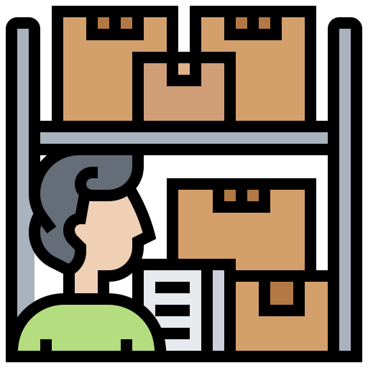

CONTAINER 05

Config-server
Postman
Provider-microservice

CONTAINER 01
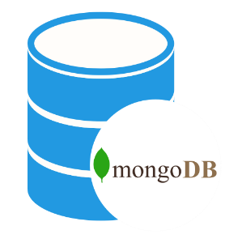



Database

Plan2
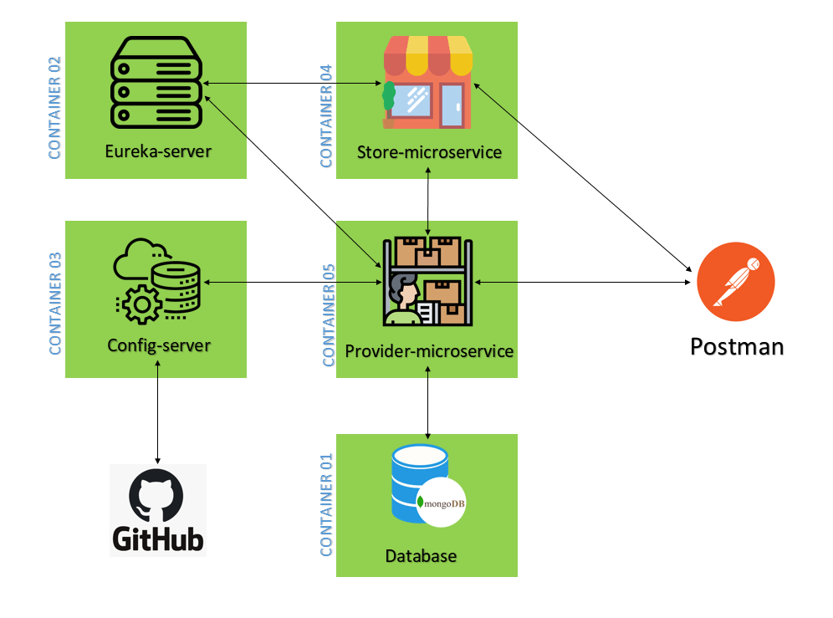

Request HTTP / Response

Request HTTP / Response

